Sub Categories
First Level | Description | Second Level | Major category code | CPCE Short description | Sub category code | Description | Photo
Seagrass (SG) | Not macro algae and in generaly green if epiphytes notes can be made | Halodule uninervis | SG | Halodule uninervis | SGHU | • Strap like leaf • leaf tip tri-dentate or pointed, not rounded • leaf with 1-3 distinct parallel-veins, sheaths fi brous • rhizome usually white with small black fi bres at the(Waycott et al. 2005) | 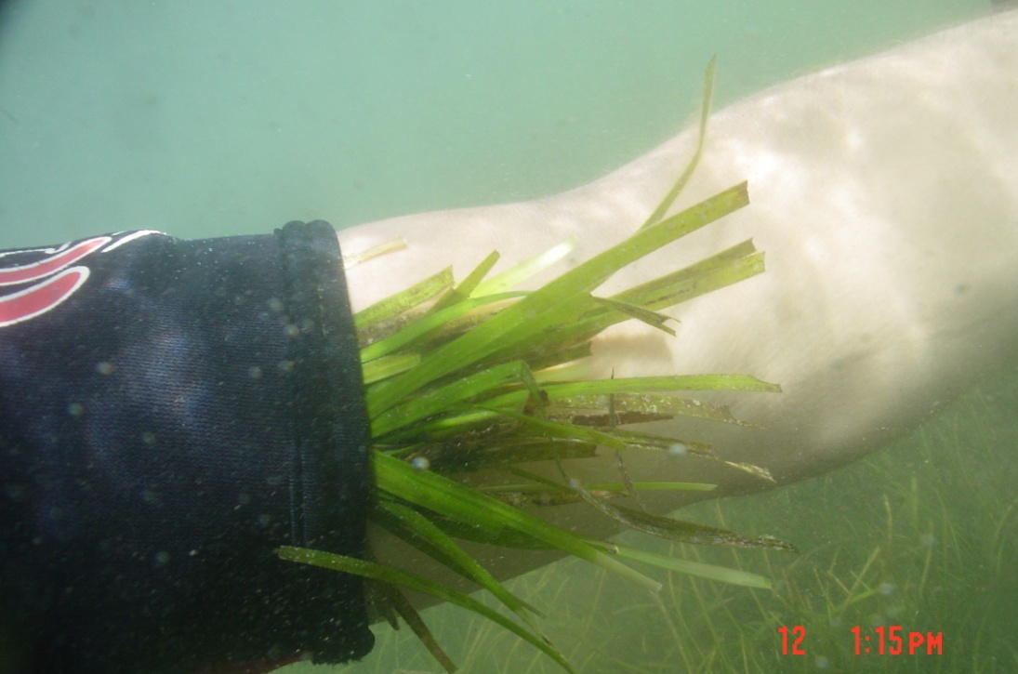 | 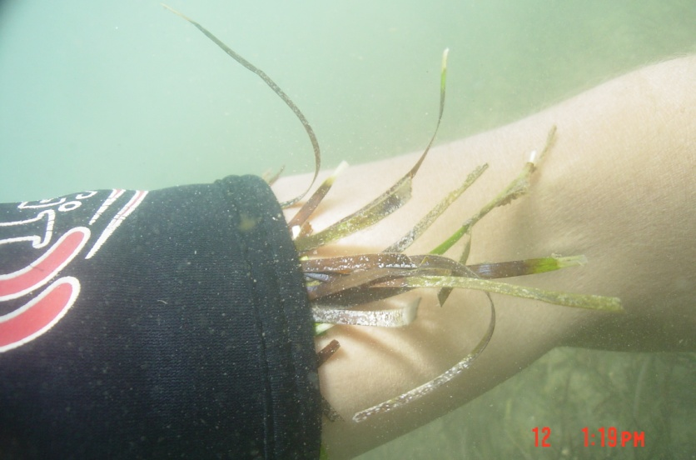 | 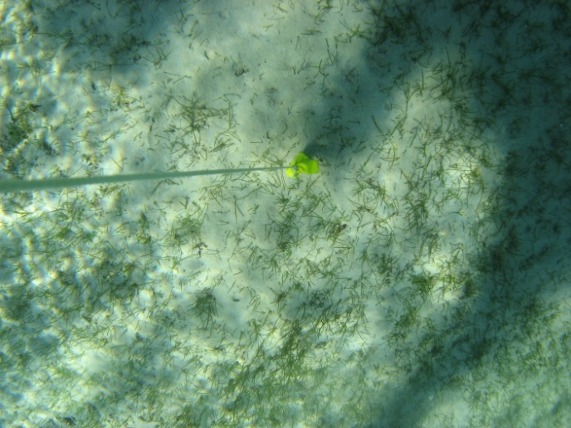 | 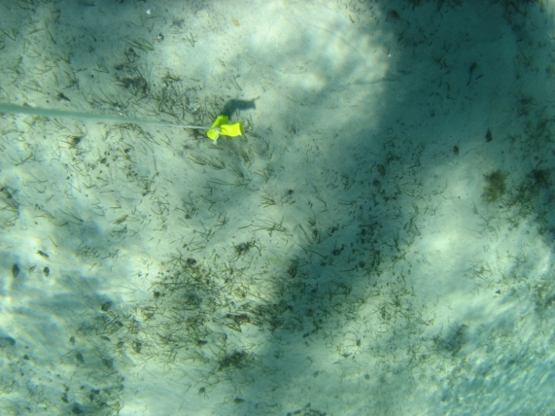 Moreton Banks mostly
 |  | Zostera muelleri | SG | Zostera muelleri | SGZM | • Strap like leaf • leaf with 3-5 parallel-veins • cross-veins form boxes • leaf tip smooth and rounded, may be dark point at tip • rhizome usually brown or yellow in younger parts (Waycott et al. 2005) | 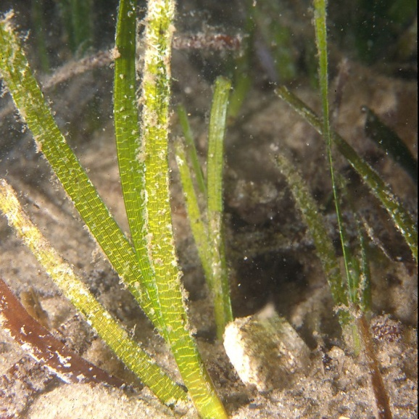 | 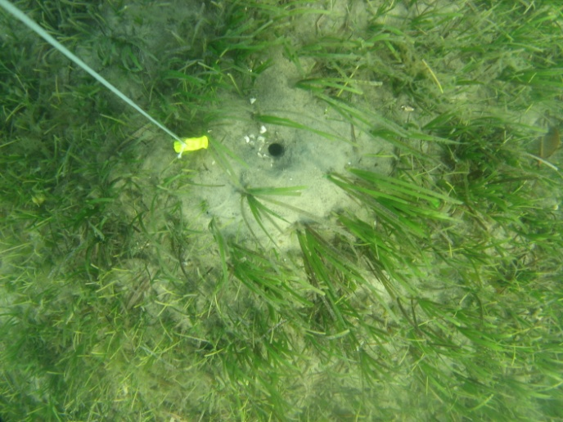 | 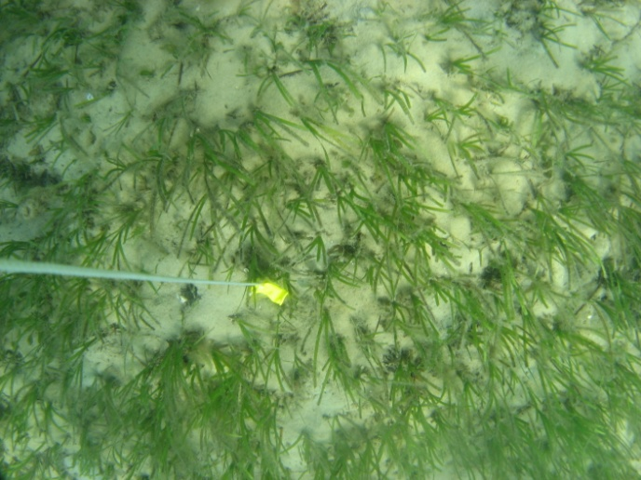 | 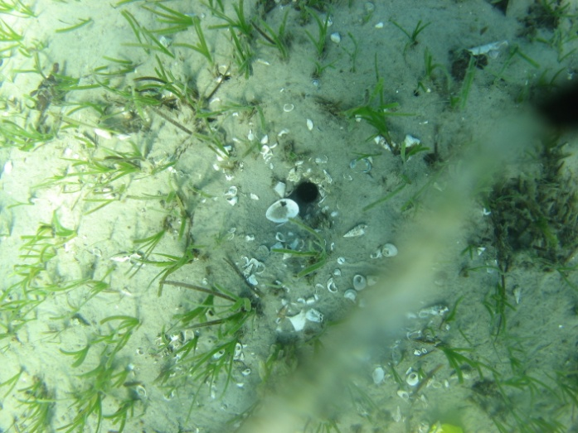
 |  | Cymodocea rotundata | SG | Cymodocea rotundata | SGCR | • Strap like leaf • leaf tip rounded with serrated edge • leaf sheath broadly fl at and triangular, not fi brous • leaf sheath scars not continous around upright stem (Waycott et al. 2005) | 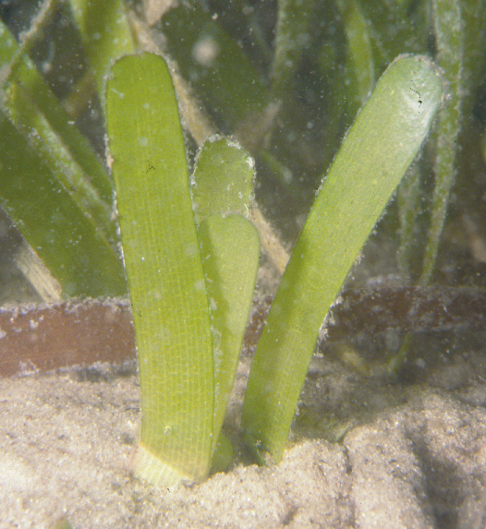 | 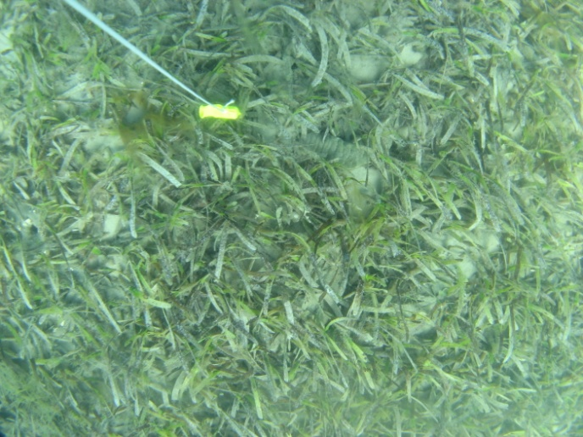
 |  | Syringodium isoetifolium | SG | Syringodium isoetifolium | SGSI | • cylndrcal like leaf • leaf tip pointed • leaves containing air cavities • infl orescence a ‘cyme’(Waycott et al. 2005) | 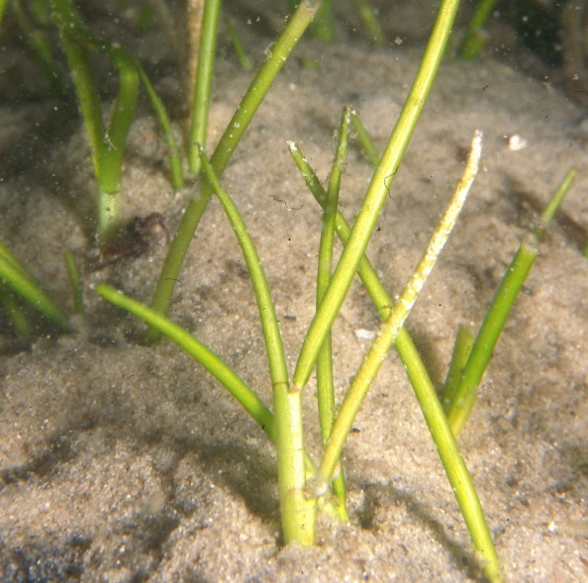 | 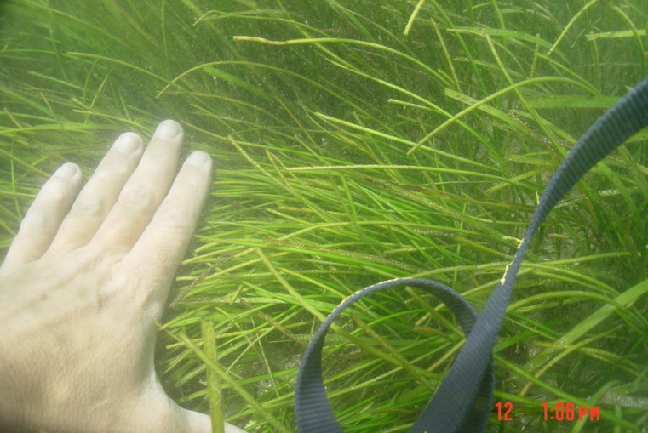 | 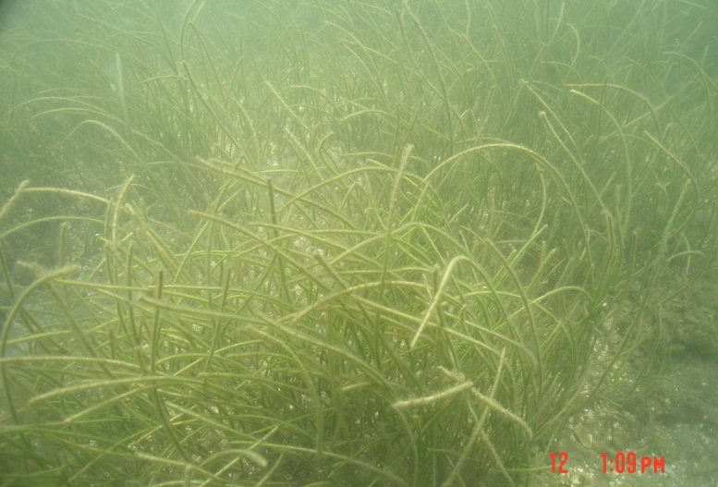
 |  | Halophila ovalis | SG | Halophila ovalis | SGHO | • oval to oblong like leaf • leaf margins smooth • no leaf hairs (Waycott et al. 2005) | 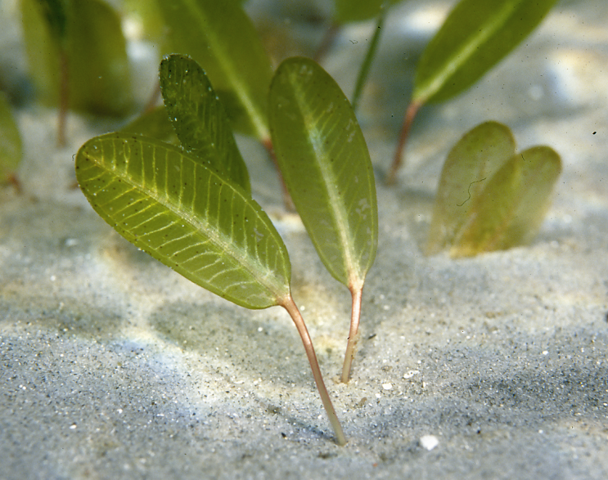 | 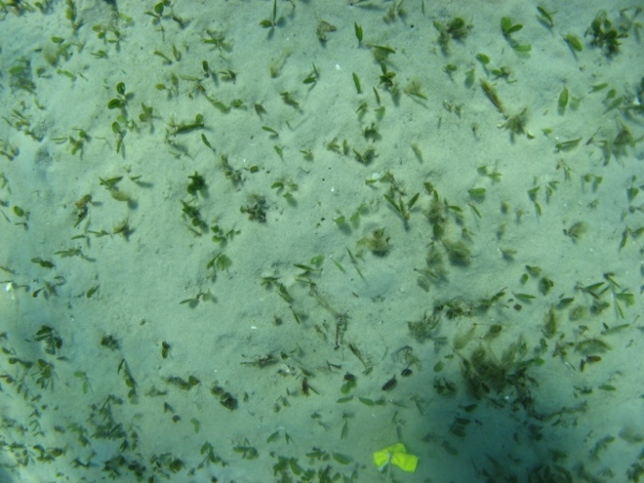 | 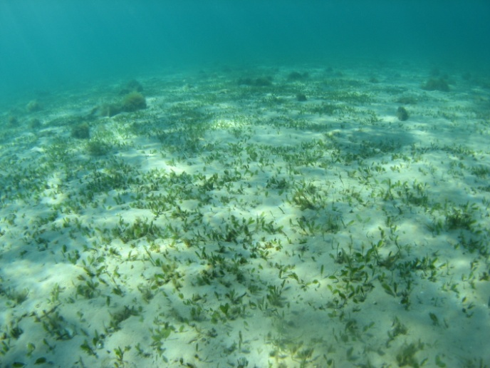 | 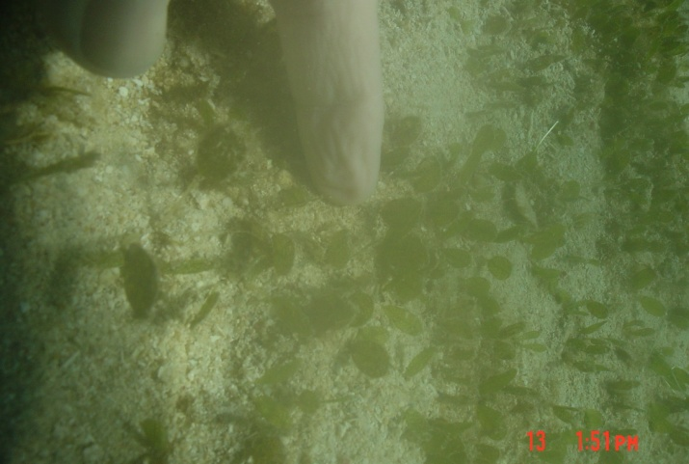
 |  | Halophila spinulosa | SG | Halophila spinulosa | SGHS | • oval to oblong like leaf • leaves arranged opposite in pairs • leaf margin serrated (Waycott et al. 2005) | 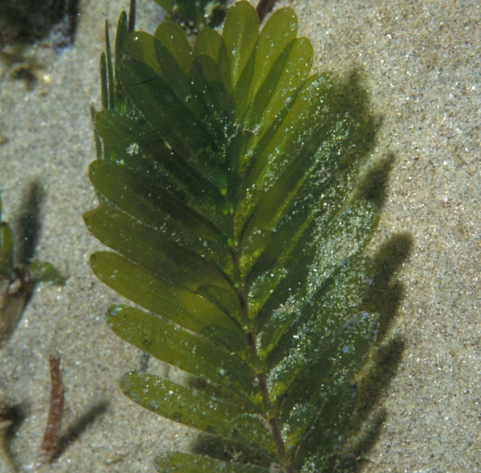 | 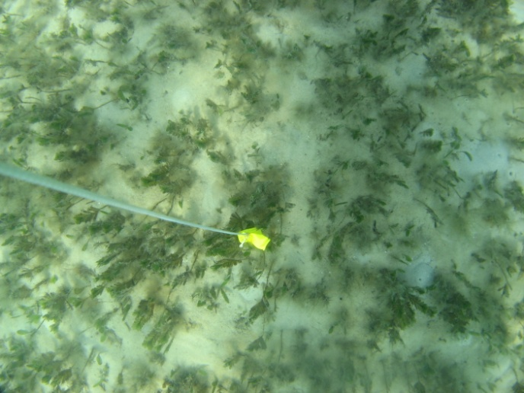 | 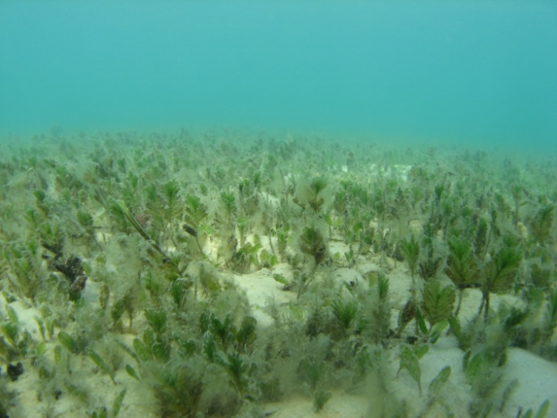
 |  | Seagrass – Species Unknown | SG | Seagrass – Species Unknown | SGOT | other species then one of the listed or you cannot identify
 |  | Seagrass detritus | SG | Seagrass ditritus | SGD | Dead seagrass floating around on benthos of mixed with other dead stuff
Seagrass Plus (SGP) | Incase seagrass species is different due to colour, epiphyte and/or algae covering it | Halodule uninervis + Algae | SGP | Halodule uninervis + Algae | SGHUA | • Like Halodule muelleribut with dense hairy, green, brown, looking algae
 |  | Zostera muelleri + Dark | SGP | Zostera muelleri + Dark | SGZMD | • Like Zostera muelleri but leaves look dark, possible dead by heat, generaly in shallow water exposed areas. | 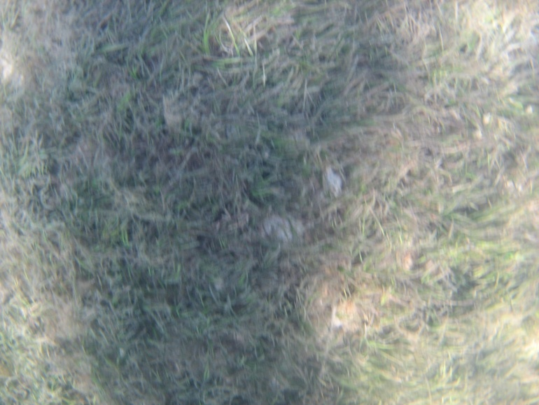 | 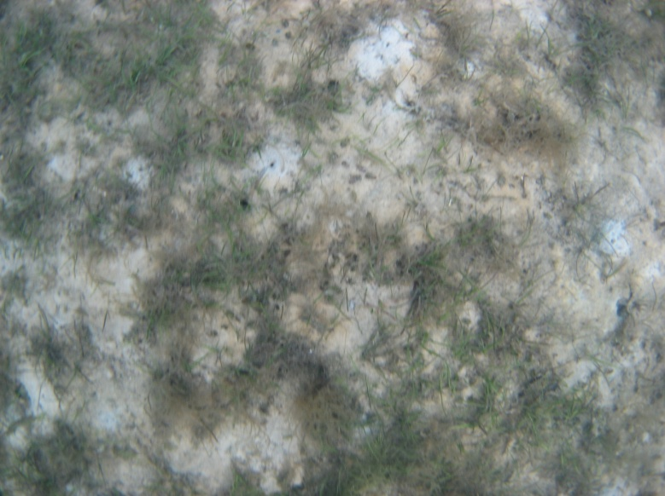
 |  | Zostera muelleri + Algae | SGP | Zostera muelleri + Algae | SGZMA | • Like Zostera muelleribut with dense hairy, green, brown, looking algae | 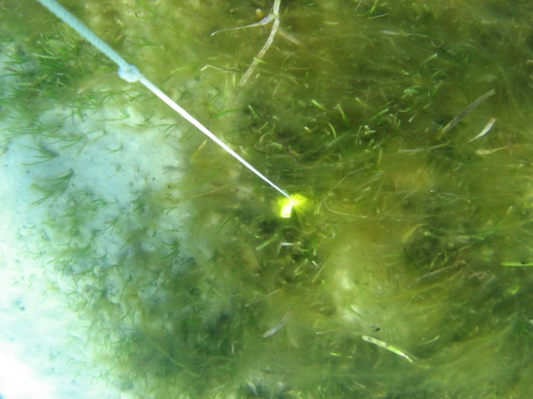 | 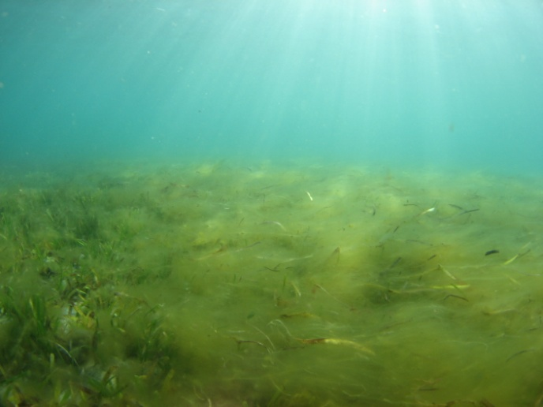 | 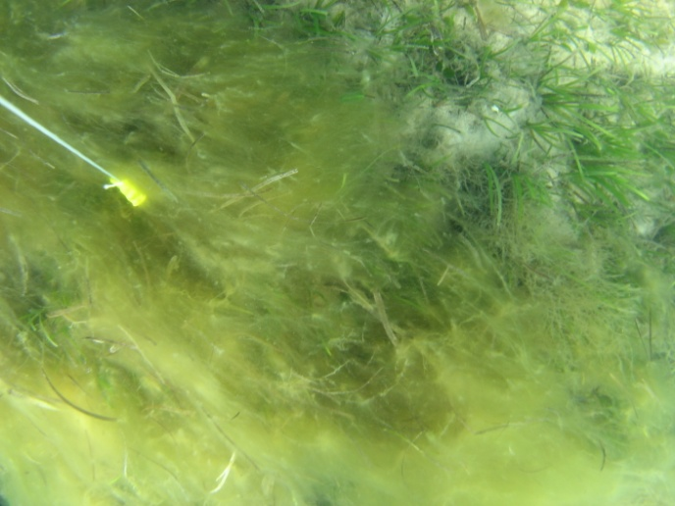
 |  | Cymodocea rotundata + Algae | SGP | Cymodocea rotundata + Algae | SGCRA | • Like Cymodocea but with dense hairy, green, brown, looking algae | 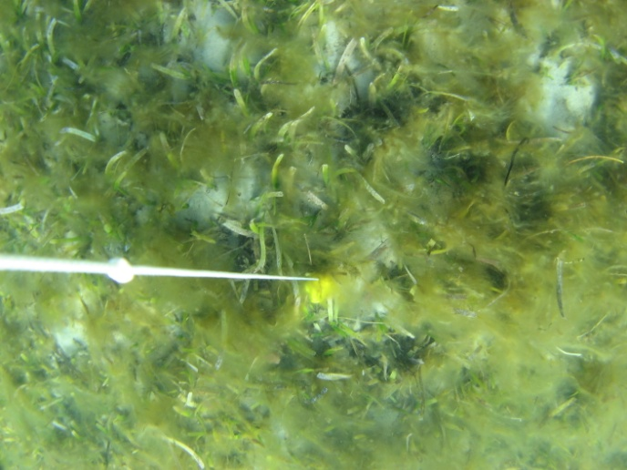
 |  | Syringodium isoetifolium + Epiphyte | SGP | Syringodium isoetifolium + Algae | SGSIE | • cylndrcal like leaf • leaf tip pointed • leaves containing air cavities • infl orescence a ‘cyme’(Waycott et al. 2005) | 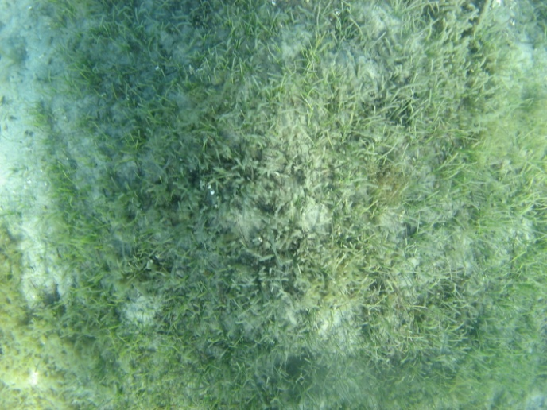
 |  | Syringodium isoetifolium + hairy algae | SGP | Syringodium isoetifolium + hairy algae | SGSIA | • like Syringodium but with dense hairy, green, brown, dark grey looking algae | 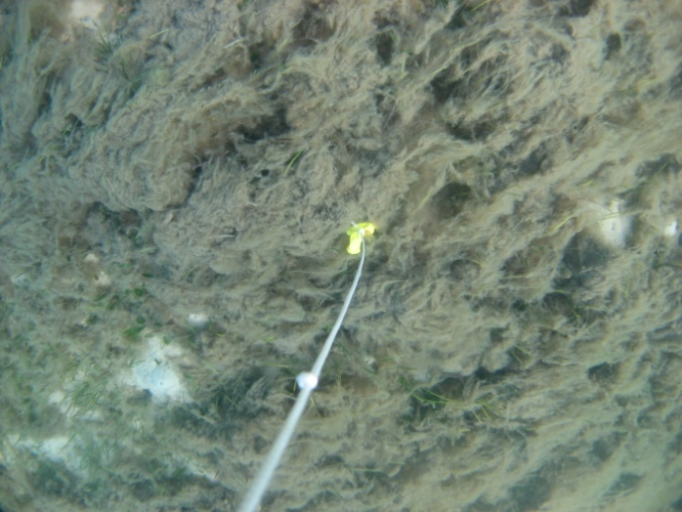 | 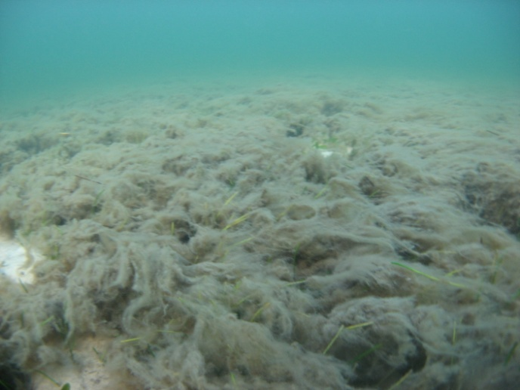 | 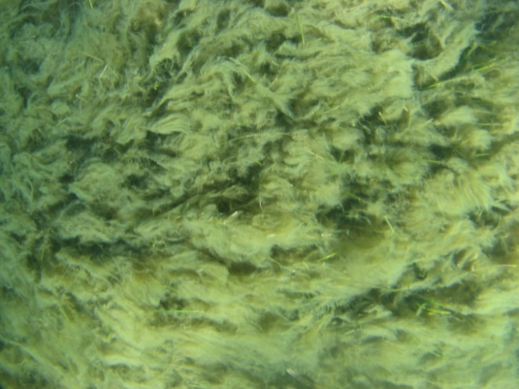 | 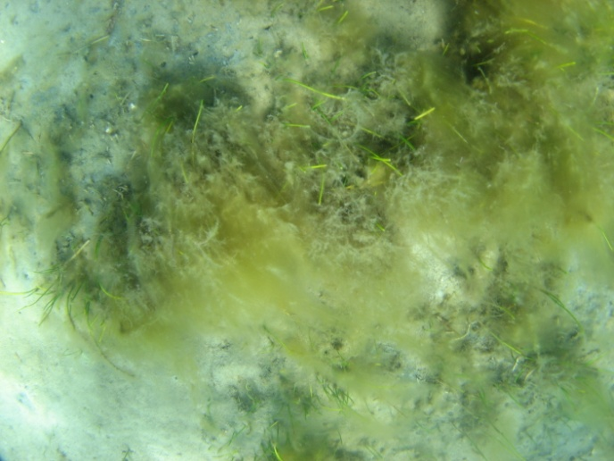
 |  | Halophila ovalis + Algae | SGP | Halophila ovalis + Algae | SGHOA | • Like Ovalis but leaves look dark, possible dead by heat, generaly in shallow water exposed areas. | 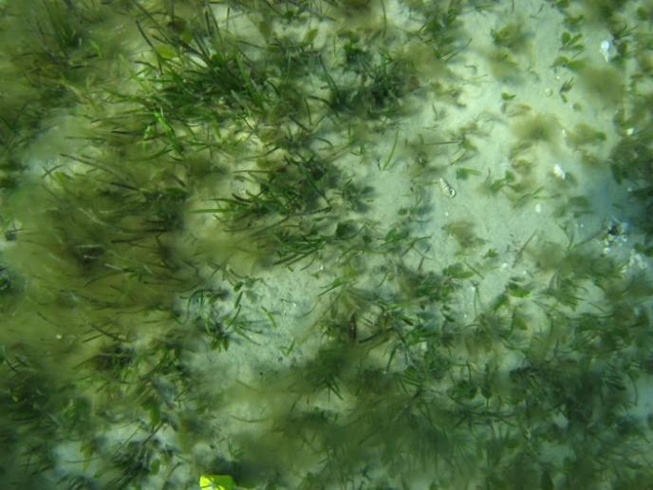 | 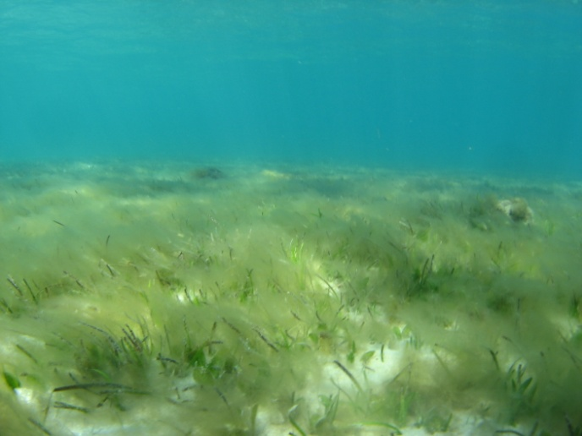 | 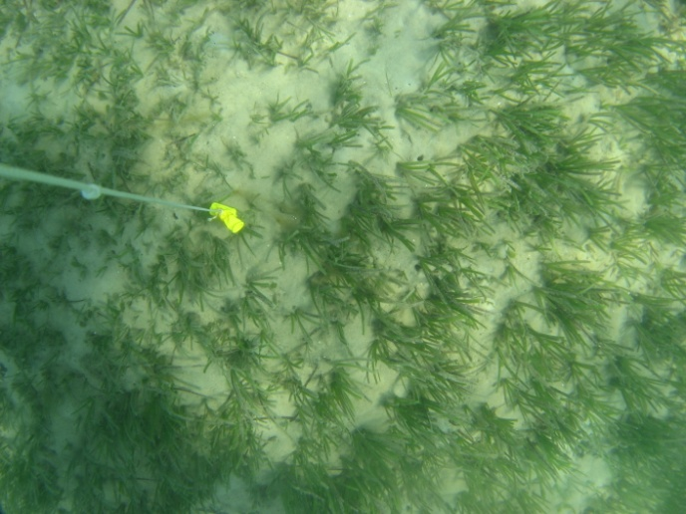
 |  | Halophila spinulosa + Algae | SGP | Halophila spinulosa + Epiphyte | SGHSA | • Like Spinulosa but leaves look dark, possible dead by heat, generaly in shallow water exposed areas.
Macro Algae Calcareous (MAC) |  | Padina | MAC | Padina | ACP | White calcareous semi circle shapes in leave like forms | 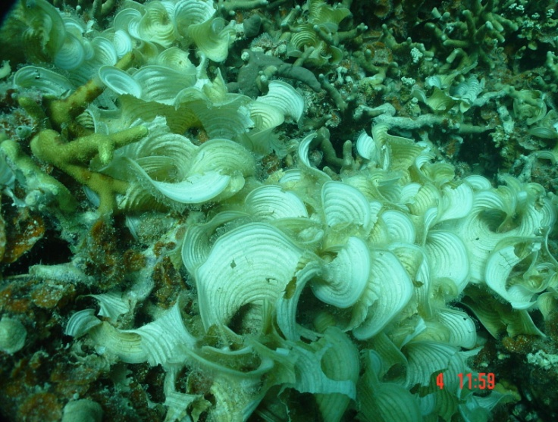 | 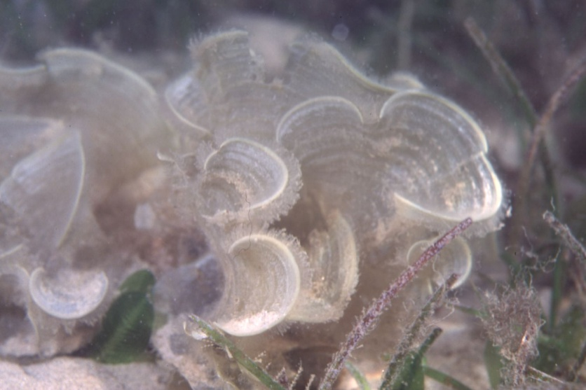
 |  | Halimeda | MAC | Halimeda | ACH | green calcareous algaeof in little leafs which looked to be stacked on top of each other | 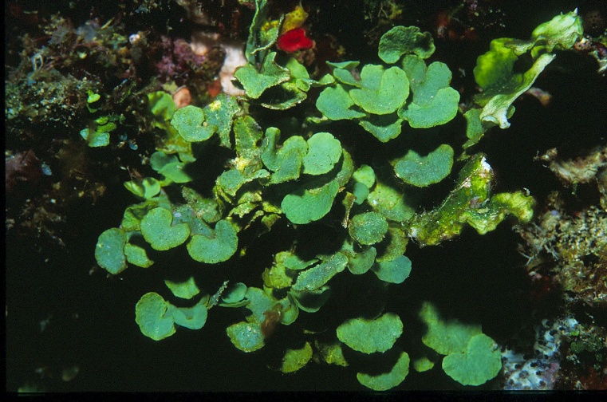 | 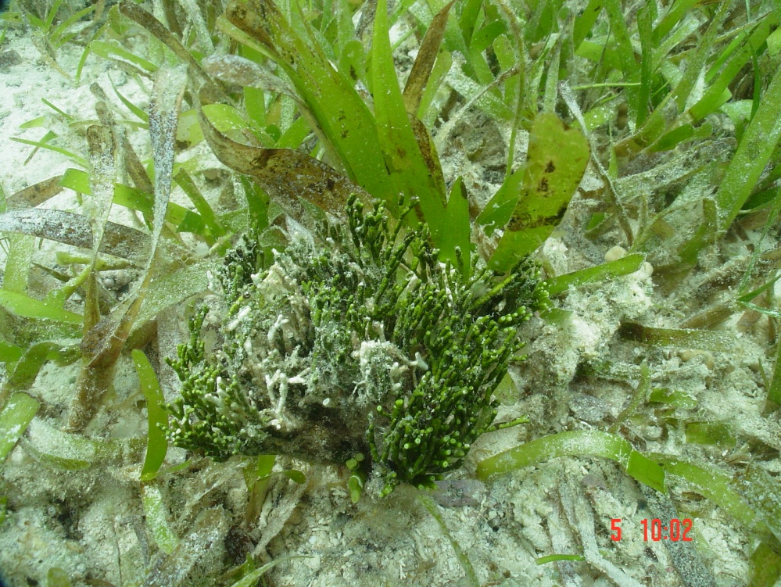 | 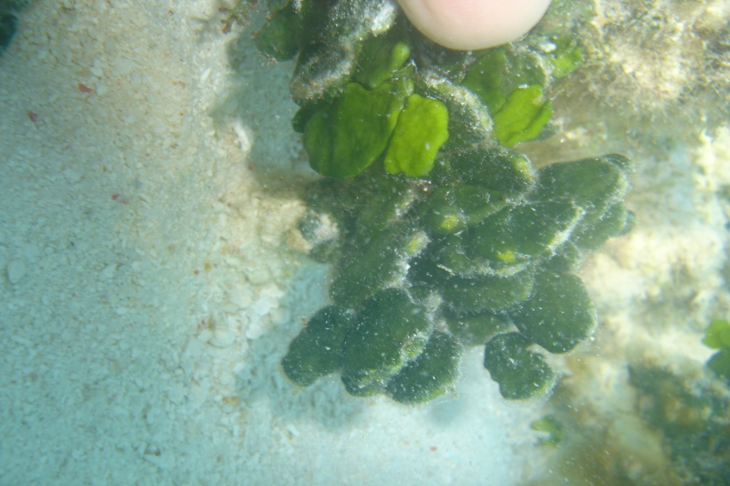 | 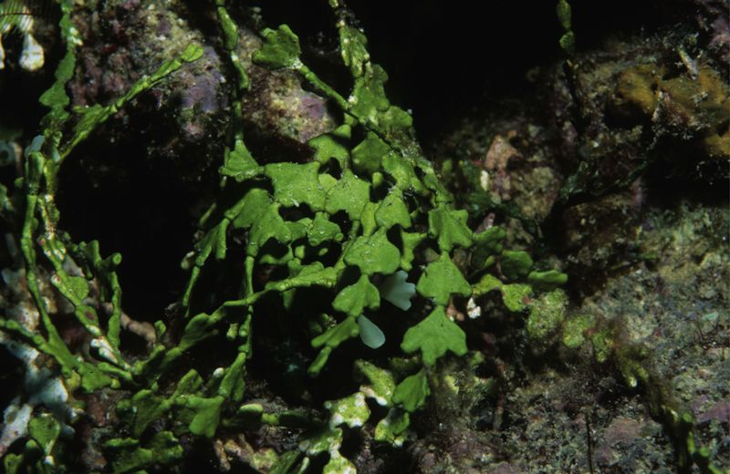
 |  | Udotea | MAC | Udotea | ACU | Green calcareous fane like schape | 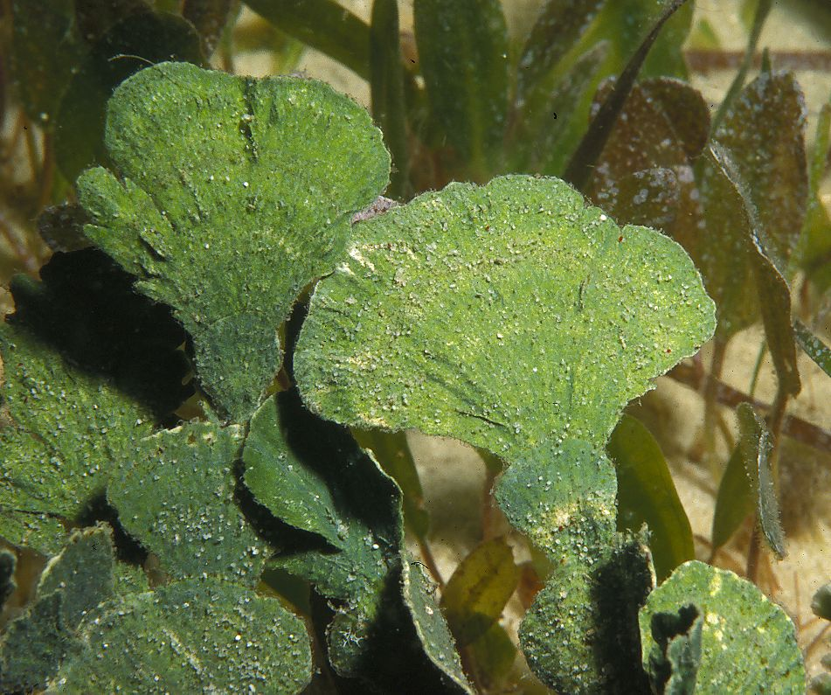 | 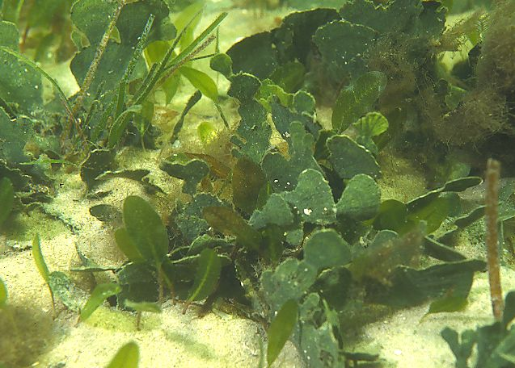
 |  | Macro Algae Calcareous - Genus Unknown | MA | Macro Algae Non-Calcareous - Genus Unknown | ACOT | Don’t know yet what to do here will discuss
Macro Algae Non Calcareous (MA) | Not seagrass and major algae familly on reef systems (Taxonomic based) which are not calcarious | Sargassum | MA | Sargassum | ASA | Brown colour oft as if floating in the water column due to air bubbles trapped in little chambers | 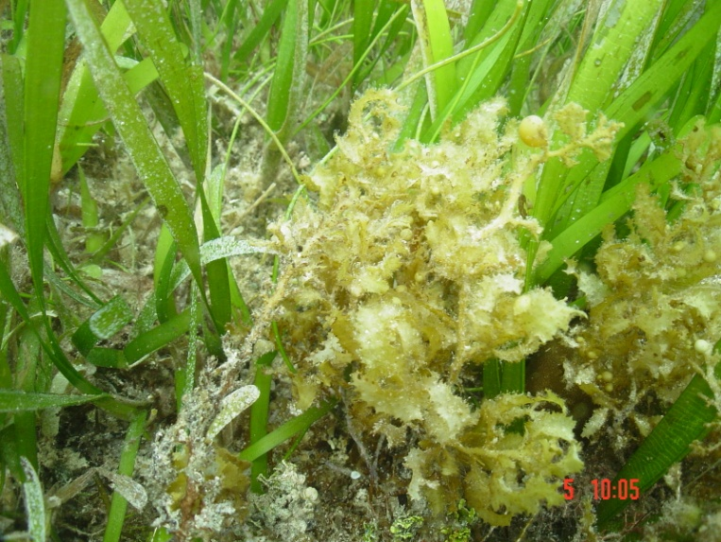 | 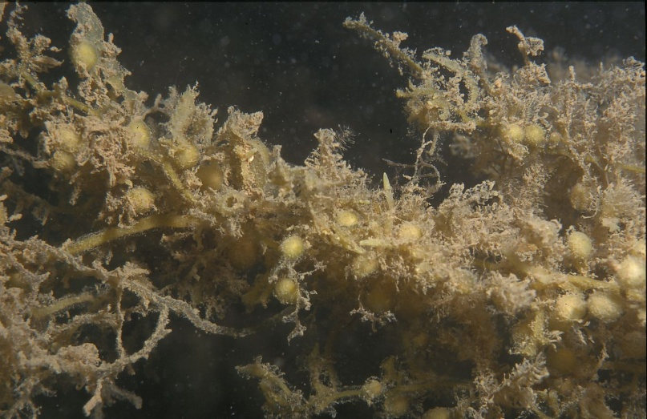 | 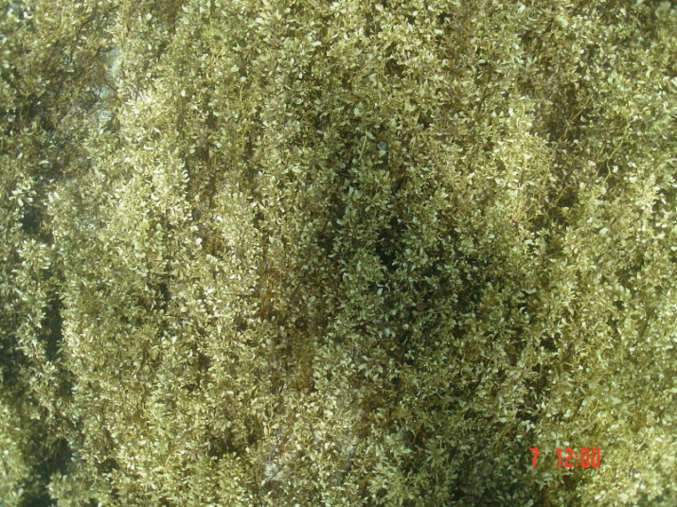 | 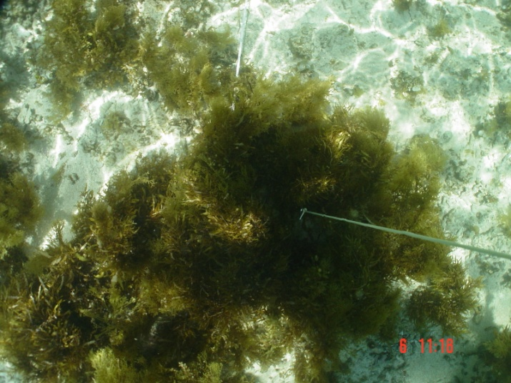
 |  | Caulerpa | MA | Caulerpa | ACA | Green, grape like connected through green roots looking structures branching over the substrate | 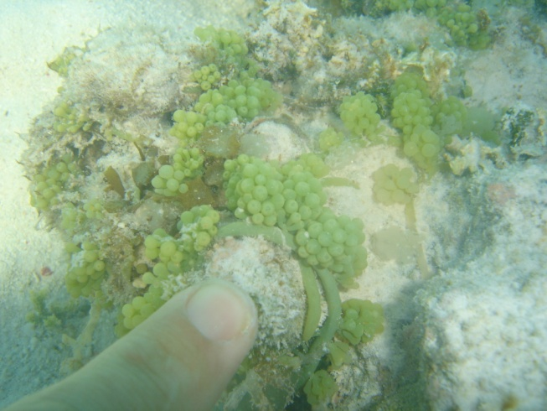 | 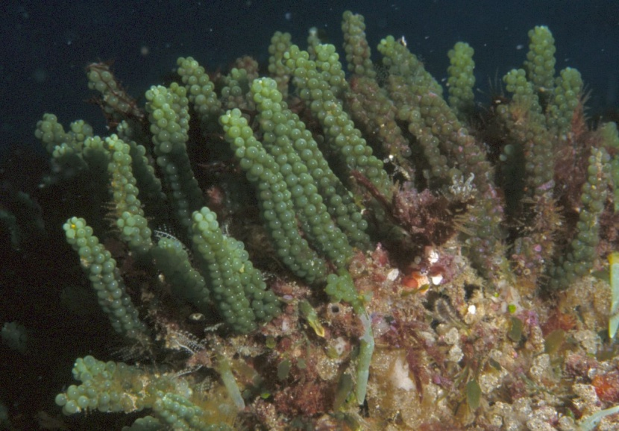 | 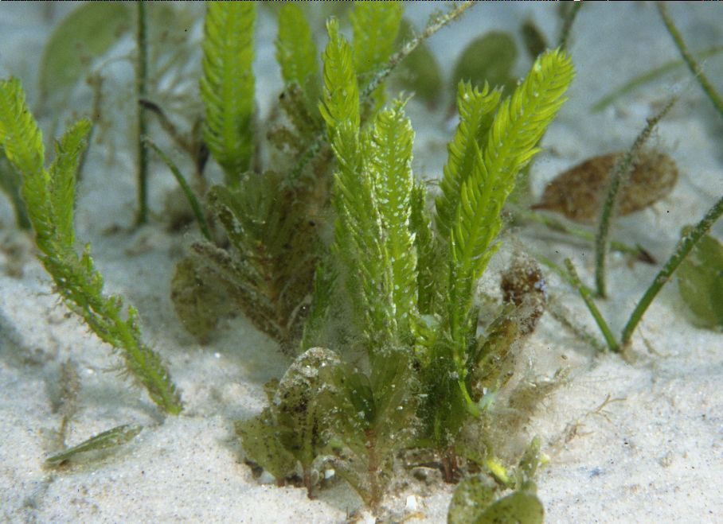 | 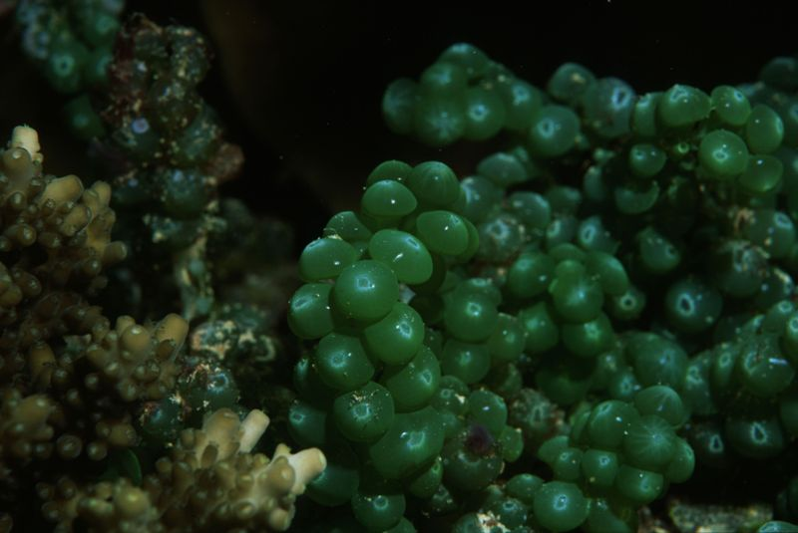
 |  | Hydroclatharus | MA | Hydroclatharus | AHY
 |  | Hydroclatharus on Seagrass | MA | Hydroclatharus on Seagrass | AHYS
 |  | Macro Algae Non-Calcareous - Genus Unknown | MA | Macro Algae Non-Calcareous - Genus Unknown | AOT | Don’t know yet what to do here will discuss
Cyaono and Other Algae (COA) |  | MPB on Sand | COA | MPB on Sand | MPS | MPB on sand where there is sand patches viisiable (every CPCe point could have MPB but still sand visible)
 |  | MPB-mat=MPB on sand for all 24 points and no sand patches visible | COA | MPB-mat | MPM | MPB is covering completely image and no sand patches are vissibale so is alwaus 100% cover.
 |  | Macro Cyano on Sand | COA | Cyano on Sand | MCS | Hairy like strings of cyano bacteria on sand in generaly longer and higher then MPB or turf
 |  | Macro Cyano on other | COA | Cyano-other | MCO | Cyano bacteria on coral, algae, seagrass, gorgonion
Substratum (SU) | Anything which forms the basis and which has not coral, algae or Seagrass on top in generaly it is hard and it can be differentiated between moving and not moving | Sand Light Colour | SU | Sand Light Colour | SSL | Which can move and what you can hold in one hand but falls out realy easy because it realy small
 |  | Sand Dark Colour | SU | Sand Dark Colour | SSD | Which can move and what you can hold in one hand but falls out realy easy because it realy small and it has dark colour (Black, grey, brown)
Other (O) | Any thing which is not a plant, coral or substrate catogories |  | O | Sponge | OSP | Often one homogenous colour and has small and big holes in it
 |  |  | O | Urchins | OUR | Can be impact the reef to much
 |  |  | O | Anemone | OAN | Anemone
 |  |  | O | Pinas | OPI | Pinas
 |  |  | O | Small Shelves | OSS | Small shelves
 |  |  | O | Star Fish | OSF | star fish
 |  |  | O | Sea cucumber | OSC | Commercial value
 |  |  | O | Other | OOT | Don’t know what it is but it definetly makes a difference or is worth noting
 |  |  | O | Other Dead | OD | Other live type which are dead such as giant clam
Miscellaneous |  |  | TWS | Tape | Tape | This any of the survey equipment
 |  |  | TWS | Wand | Wand | I don’t know
 |  |  | TWS | Shade | Shade | If a picture is in the shade
 |  |  | TWS | Out of Focus | OF | If something cannot be identifified due to un focused picture
 |  |  | TWS | Don't Know | DK | If you don’t know what it iat all

